Sheet1
 |  | Document No. |  | Issue No. |  | Issue Date |  |  | Review and Replace Date |  | Authorised By
 |  | GFF350MC |  | 2 |  | 15.12.2021 |  |  | 14.03.2022 |  | Magda Shah
 |  | Document Title | Veggie Red Thai Curry with Black Rice 400g
Document amendments reason for change |  | Coconut Chips code changed |  |  | Page 1 of 1 |  | Previous Issue Date |  |  | 15.12.2021 | Uncontrolled copy unless signed original

FVRTCR-R8TMC | MINDFUL CHEF |  | Veggie Red Thai Curry with Black Rice 400g | FROZEN
STEP 1 |  |  |  | STEP 2
 |  |  |  | 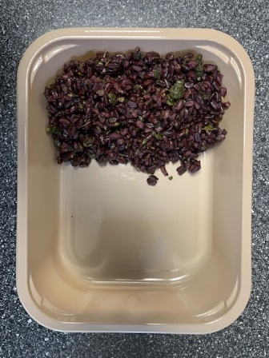

PACK DAY + 1 YEAR
NON-MAP PACK

Tray: EVOLVE CPET 2200-1E FROST(PKRHP001-15) |  |  |  | Black Rice (GFF238R): 100g

Film:K Peel 3G 25µm (275mmX1000lm)-PKKMP001-04
STEP 3 |  |  |  |  |  |  |  | STEP 4
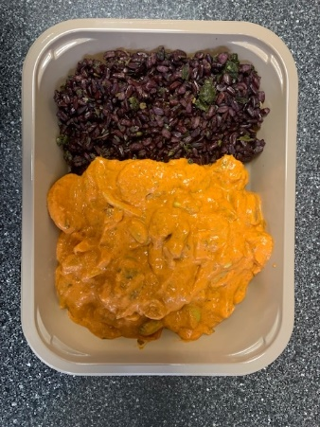 |  |  |  |  |  |  |  | 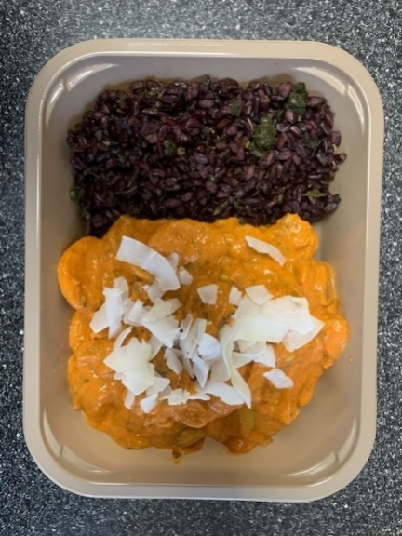

Veg Red Thai Sauce (MC) (GFF411R): 295g |  |  |  |  |  |  |  | Raw Coconut Chips (RMKLU001-05) : 5g |  |  |  | TOTAL WEIGHT: 400g

ALLERGY ALERT: SOYA

